add manufacturer Bug Report
0 | Label | Value
Bug ID | ID number | #123
 | Name | add manufacturer -> the manufacturer is added when the name field is empty
 | Reporter | mohamed mondy
 | Submit Date | 30/6/2022
Bug overview | Summary | when I leave the name field empty and I choose the image file then i put the valid url and I click on insert then the manufacturer is added
 | URL | http://gcreddy.com/project/admin/manufacturers.php?page=1&mID=8812&action=edit
 | Screenshot | 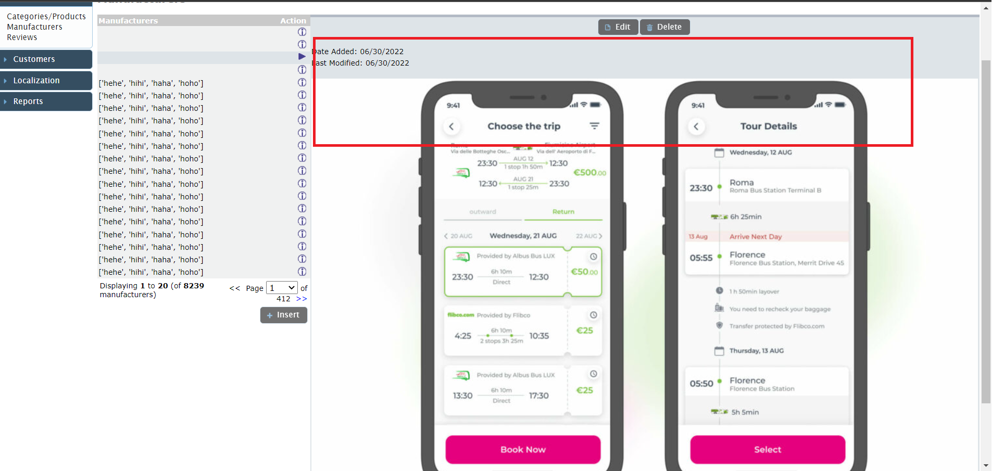
Environment | Platform | chrome
 | Operating System | windows 10
 | Browser | chrome Version 102.0.5005.115 (Official Build) (64-bit)
Bug details | Steps to reproduce | add one manufacturer > leave the name field empty >choose the valid image file for ex " 102.jbg " > put valid url "www.google .com" > click on insert
 | Expected result | The cart should contain 2 items
 | Actual result | the manufacturer is added to the data base
 | Description | /
Bug tracking | Severity | Major
 | Assigned to | /
Notes | Notes | /

edit manufacturer name bug
0 | Label | Value
Bug ID | ID number | #124
 | Name | edit manufacturer name -> the manufacturer name is not updated
Bug overview | Summary | when I update the name field and I leave the image file then i leave the valid url and I click on save then the manufacturer is not updated
 | URL | http://gcreddy.com/project/admin/manufacturers.php?page=1&mID=2429&action=edit
 | 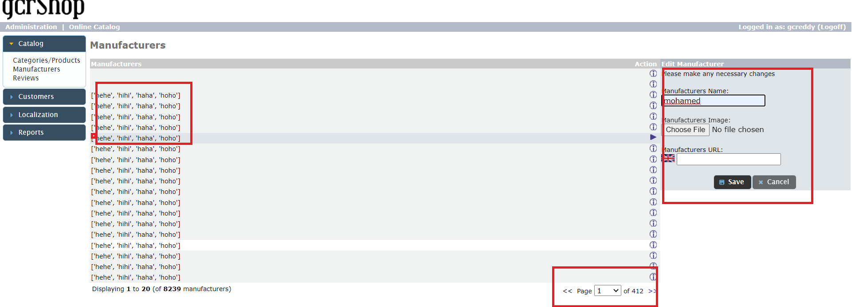 Screenshot | 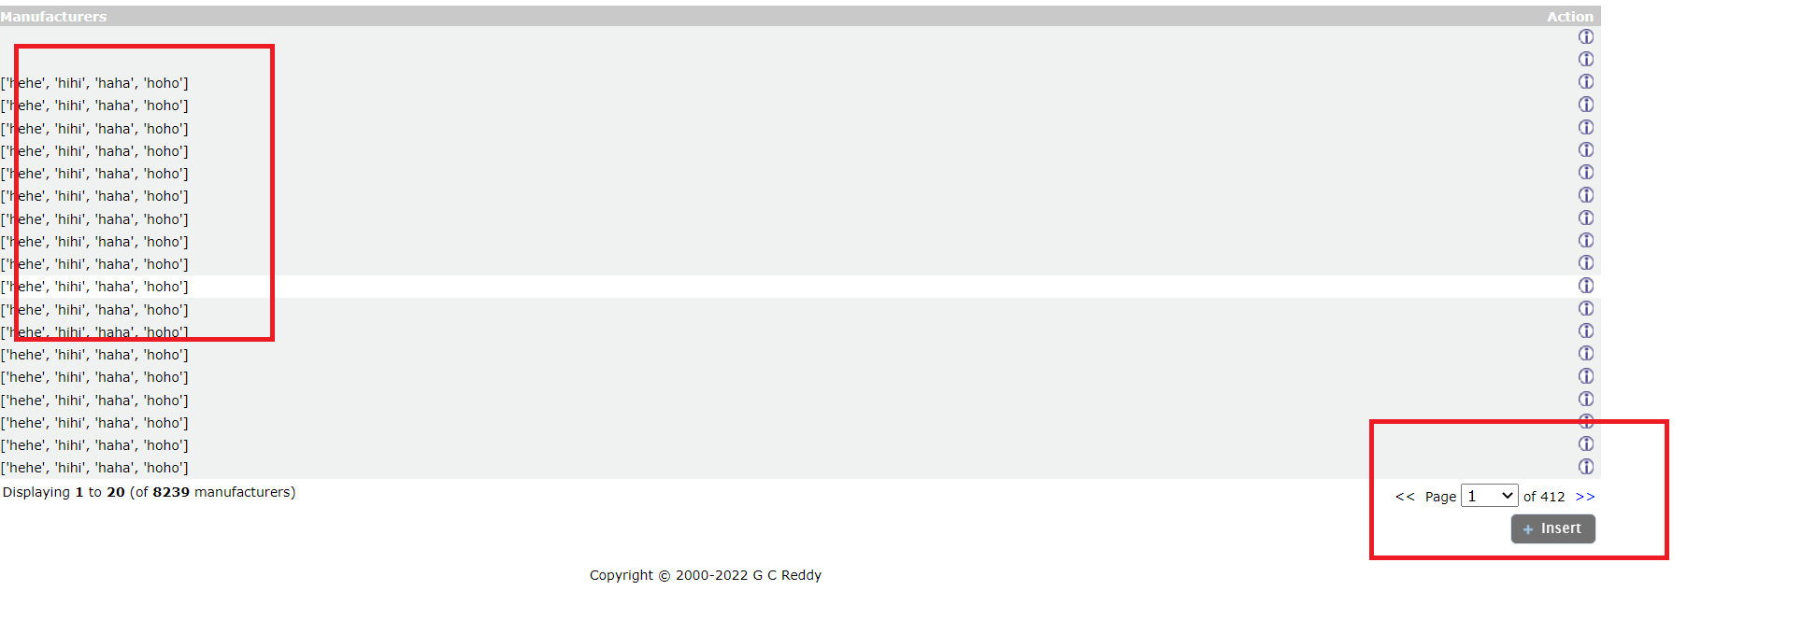
Environment | Platform | chrome
 | Operating System | windows 10
 | Browser | chrome Version 102.0.5005.115 (Official Build) (64-bit)
Bug details | Steps to reproduce | add one manufacturer > update the name field leave the valid image file for ex " 102.jbg " > leave valid url "www.google .com" > click on save
 | Expected result | The manyfacturer name should be updated
Bug tracking | Severity | minor
 | Assigned to | /
 | Priority | meduim
Notes | Notes | /

edit manufacturer image bug
0 | Label | Value
Bug ID | ID number | #125
 | Name | edit manufacturer image file -> the manufacturer image file is not updated
 | Reporter | mohamed mondy
 | Submit Date | 30/6/2022
Bug overview | Summary | when I leave update the name field and I update the image file then i leave the valid url and I click on save then the manufacturer is not updated
 | URL | http://gcreddy.com/project/admin/manufacturers.php?page=1&mID=2429&action=edit
 | 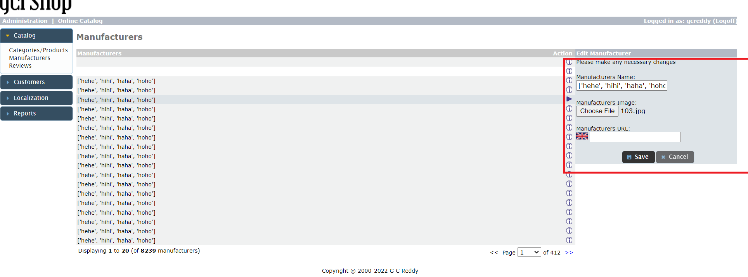 Screenshot
Environment | Platform | chrome
 | Operating System | windows 10
 | Browser | chrome Version 102.0.5005.115 (Official Build) (64-bit)
Bug details | Steps to reproduce | add one manufacturer > leave the name field empty >update the Image file for ex " 103.jbg " > leave empty url " " > click on save
 | Expected result | the manufacturer image is updated
 | Actual result | the manufacturer isnot updated
 | Description | /
Bug tracking | Severity | minor
 | Assigned to | /
 | Priority | medium
Notes | Notes | /

edit manufacturer url bug
0 | Label | Value
Bug ID | ID number | #126
 | Name | edit manufacturer url -> the manufacturer url is not updated
 | Reporter | mohamed mondy
 | Submit Date | 30/6/2022
Bug overview | Summary | when I leave the name field and I leave the image file then i update the valid url and I click on save then the manufacturer is not updated
 | URL | http://gcreddy.com/project/admin/manufacturers.php?page=1&mID=2429&action=edit
 | Screenshot | 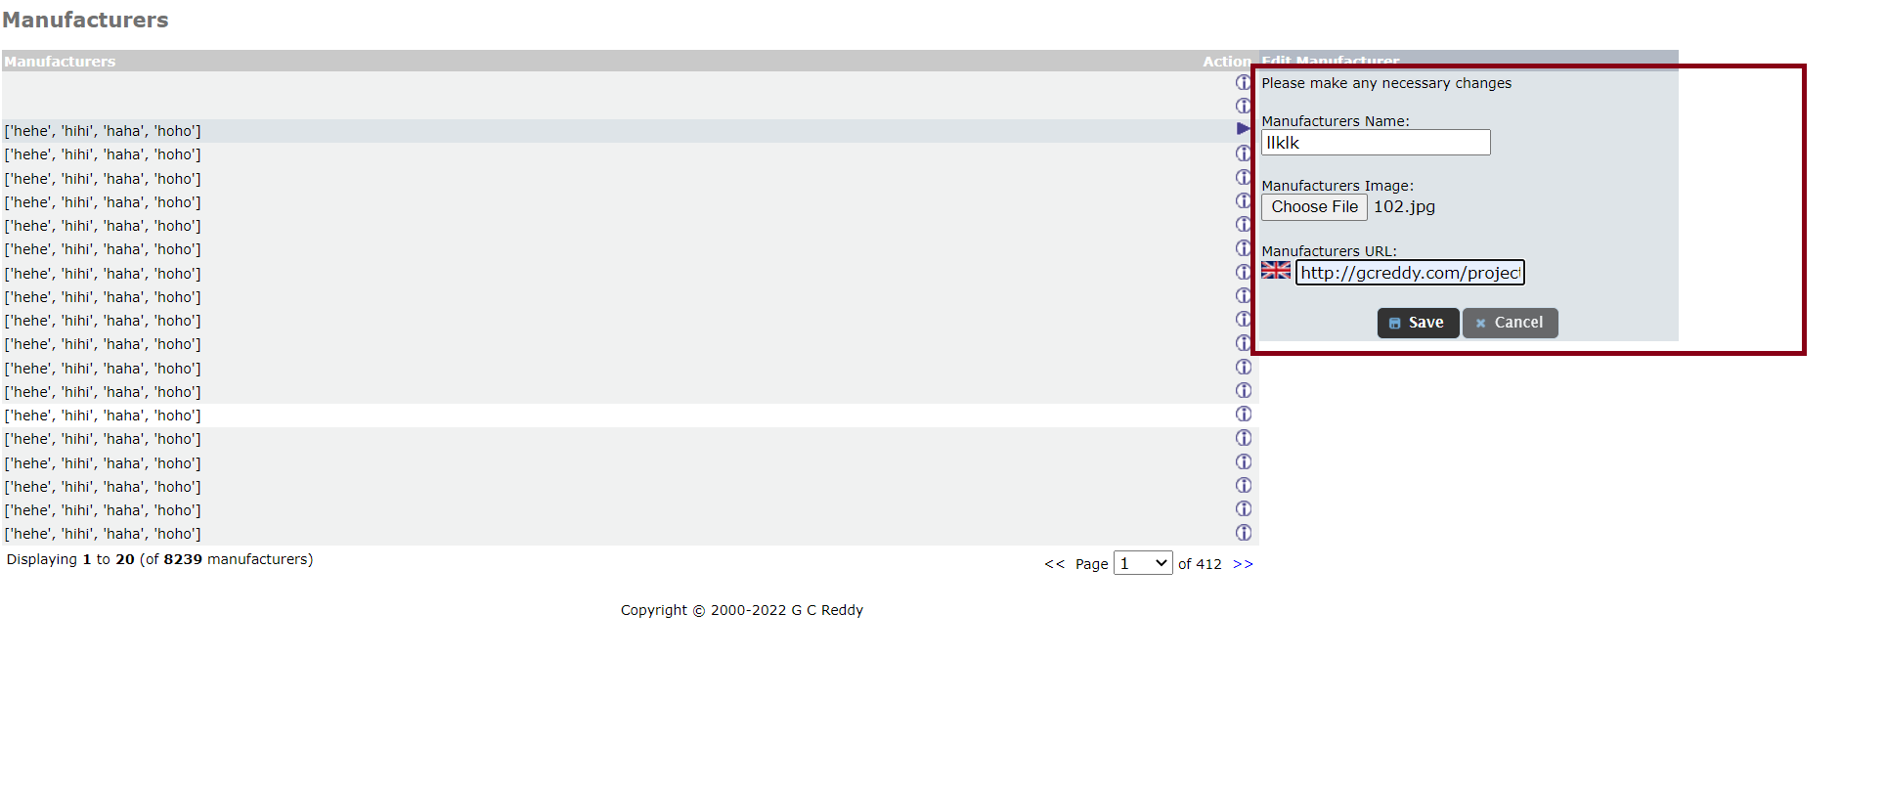
Environment | Platform | chrome
 | Operating System | windows 10
 | Browser | chrome Version 102.0.5005.115 (Official Build) (64-bit)
Bug details | Steps to reproduce | edit one manufacturer > leave the name field empty leave the Image file for ex " 102.jbg " > update the url " " > click on save
 | Expected result | the manufacturer url is updated
 | Actual result | the manufacturer is not updated
 | Description | /
Bug tracking | Severity | minor
 | Assigned to | /
 | Priority | medium
Notes | Notes | /

add category sort bug
0 | Label | Value
Bug ID | ID number | #127
 | Name | sort in add category -> the sort in add category does not work
 | Reporter | mohamed mondy
 | Submit Date | 30/6/2022
Bug overview | Summary | when I enter the sort order in the new category I find that the category is sorted in arbitrary order
 | URL | http://gcreddy.com/project/admin/categories.php?cPath=&action=new_category
 | 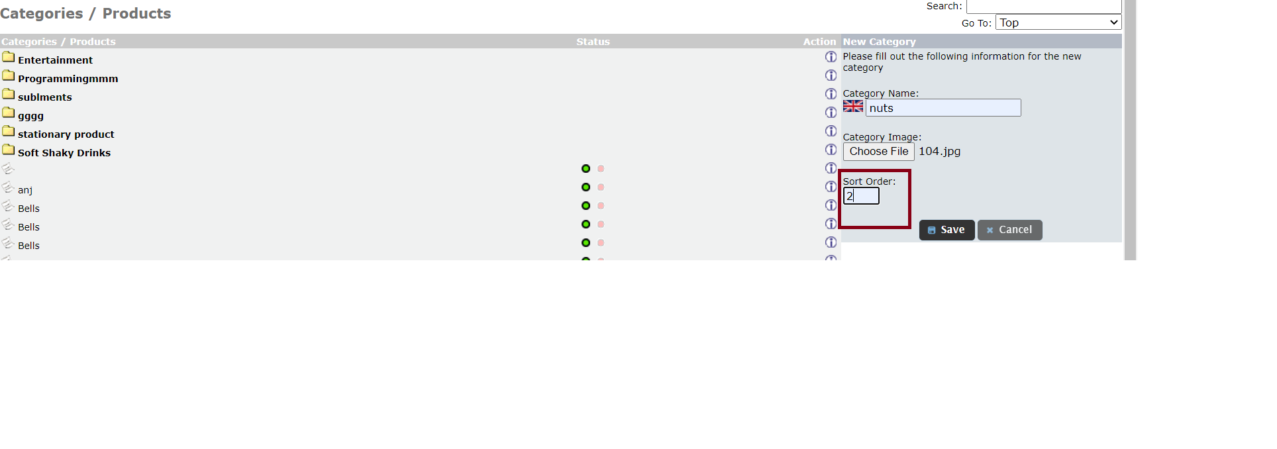 Screenshot | 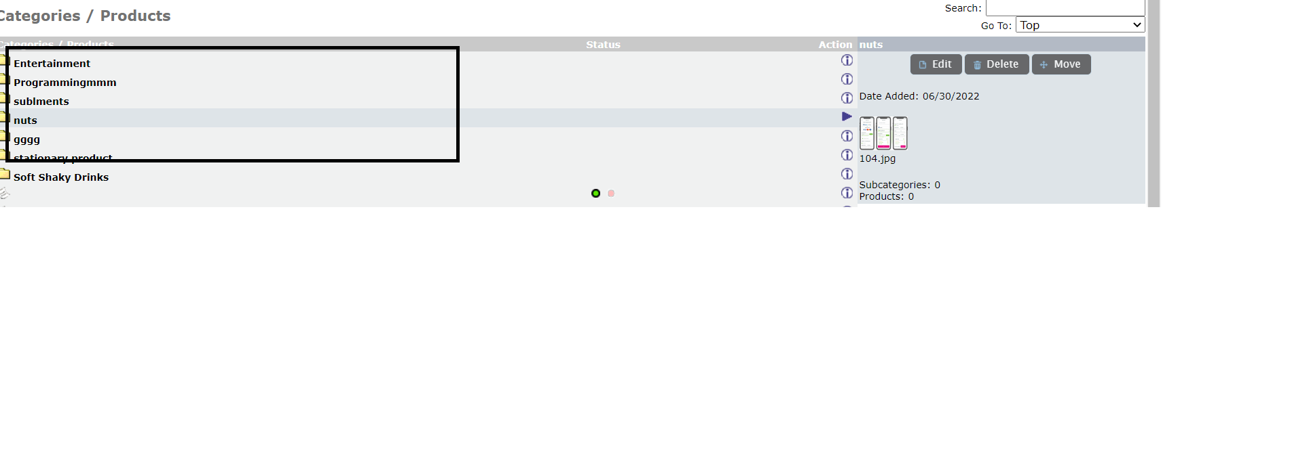
Environment | Platform | chrome
 | Operating System | windows 10
 | Browser | chrome Version 102.0.5005.115 (Official Build) (64-bit)
Bug details | Steps to reproduce | add new category > add the name field "nuts ">add the Image file for ex " 102.jbg " > addsorting order "2" " > click on save
 | Expected result | the category is found on the second position
 | Actual result | the category is in an arbitrary order
 | Description | /
Bug tracking | Severity | major
 | Assigned to | /
 | Priority | high
Notes | Notes | /

add product bug in url
0 | Label | Value
Bug ID | ID number | #128
 | Name | add new product ->the product url is accpted with (http://)
 | Reporter | mohamed mondy
 | Submit Date | 30/6/2022
Bug overview | Summary | when I enter the product url including (http://) it is accepted
 | URL | http://gcreddy.com/project/admin/categories.php?cPath=&action=new_product
 | Screenshot | 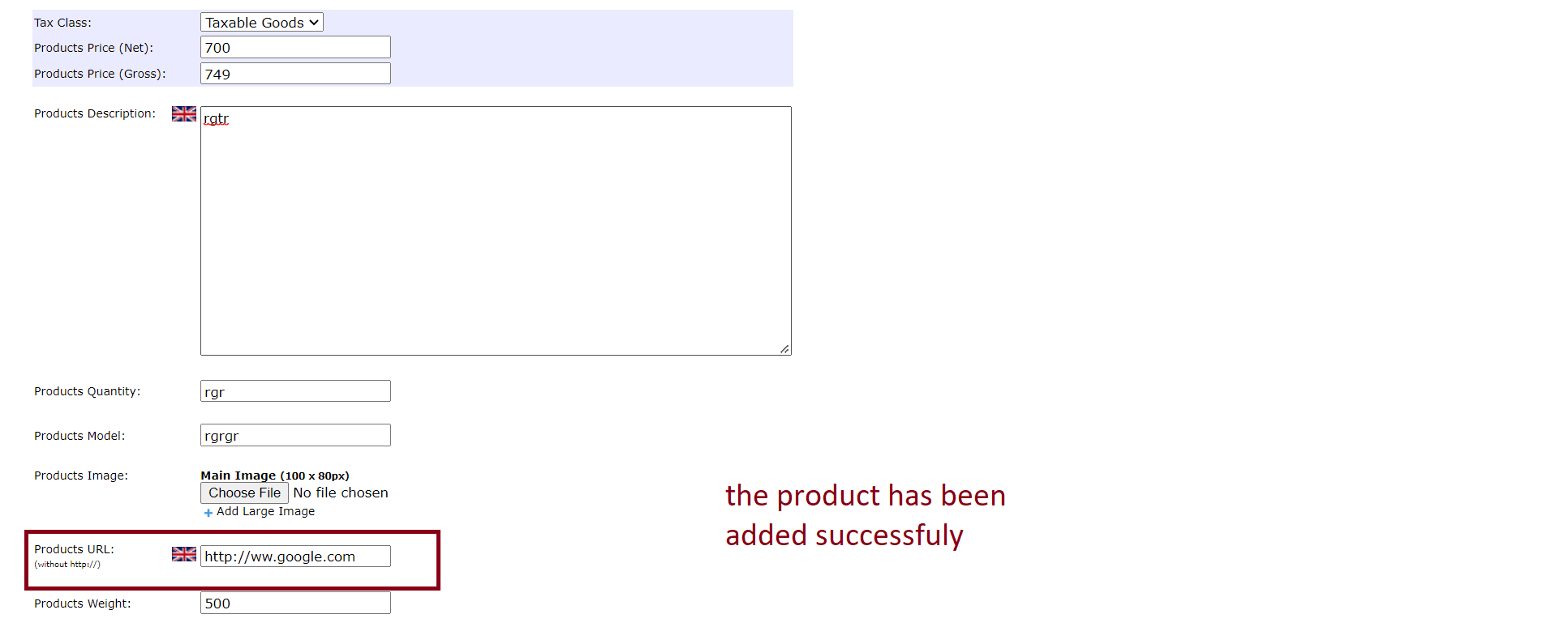
Environment | Platform | chrome
 | Operating System | windows 10
 | Browser | chrome Version 102.0.5005.115 (Official Build) (64-bit)
Bug details | Steps to reproduce | add new product > addall the fields with any data until you reach the product url field >add url like "http://www.google.com "> click on save
 | Expected result | terror message appears telling the user that the product is not accepted
 | Actual result | the product is added successfully
 | Description | /
Bug tracking | Severity | major
 | Assigned to | /
 | Priority | high
Notes | Notes | /

